DBASE
GEM Article | PHOTO | Article | Description | Article - Hier. Lvl 2 | Article - Hier. Lvl 3 | Product Family | whl | RSP ( EU ) | Total Stock
MB101540 | 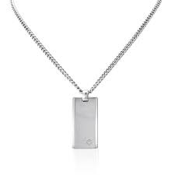 | 101540 | Necklace w pendant MAST tungsten inlay | JEWELLERY | MEN'S ACCESSORIES | SMALL ACCESSORIES | 275.00 € | 550.00 € | 17
MB102693 | 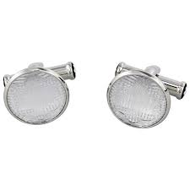 | 102693 | Cufflinks PM rect steel 3 rings w diam | JEWELLERY | MEN'S ACCESSORIES | CUFF LINKS | 1,170 € | 2,340.00 € | 15
MB102987 |  | 102987 | Key Ring MST steel black&white PVD | JEWELLERY | MEN'S ACCESSORIES | SMALL ACCESSORIES | 215.00 € | 430.00 € | 6
MB106715 | 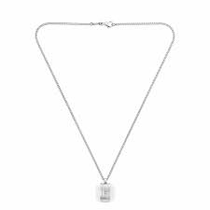 | 106715 | Necklace steel with pendant square agate | JEWELLERY | MEN'S ACCESSORIES | SMALL ACCESSORIES | 255.00 € | 510.00 € | 313
MB106915 | 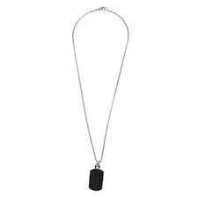 | 106915 | Pendant w. chain steel PVD blk titanium | JEWELLERY | MEN'S ACCESSORIES | SMALL ACCESSORIES | 202.50 € | 405.00 € | 18
MB111316 | 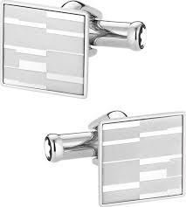 | 111316 | Cufflinks, Mystery, square, steel | JEWELLERY | MEN'S ACCESSORIES | CUFF LINKS | 157.50 € | 315.00 € | 574
MB112930 |  | 112930 | Cuff links, steel, bar, black PVD, blue | JEWELLERY | MEN'S ACCESSORIES | CUFF LINKS | 157.50 € | 315.00 € | 20
MB113395 |  | 113395 | Cuff Links, bar, steel, RG PVD, onyx | JEWELLERY | MEN'S ACCESSORIES | CUFF LINKS | 215.00 € | 430.00 € | 1107
MB114708 | 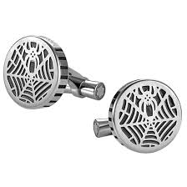 | 114708 | Cuff Links, round, steel, spider | JEWELLERY | MEN'S ACCESSORIES | CUFF LINKS | 215.00 € | 430.00 € | 237
MB114760 | 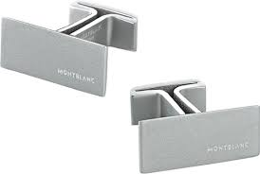 | 114760 | Cuff Links M, rectangular, steel | JEWELLERY | MEN'S ACCESSORIES | CUFF LINKS | 157.50 € | 315.00 € | 26
MB11497760 | 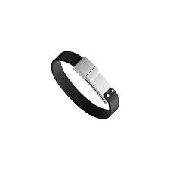 | 11497760 | Bracelet MB M, steel, leather S | JEWELLERY | MEN'S ACCESSORIES | BRACELETS | 230.00 € | 460.00 € | 23
MB11497763 | 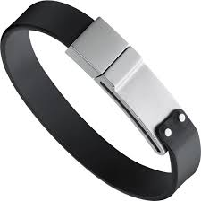 | 11497763 | Bracelet MB M, steel, leather M | JEWELLERY | MEN'S ACCESSORIES | BRACELETS | 230.00 € | 460.00 € | 59
MB11497863 | 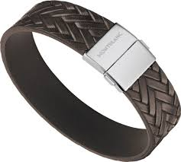 | 11497863 | Bracelet, steel, brown leather,M | JEWELLERY | MEN'S ACCESSORIES | BRACELETS | 172.50 € | 345.00 € | 57
MB11654763 | 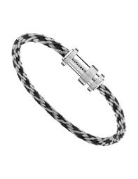 | 11654763 | Bracelet, steel, nylon, 63 | JEWELLERY | MEN'S ACCESSORIES | BRACELETS | 172.50 € | 345.00 € | 6
MB116634 |  | 116634 | Money Clip, steel, checked pattern | JEWELLERY | MEN'S ACCESSORIES | SMALL ACCESSORIES | 157.50 € | 315.00 € | 236
MB116639 |  | 116639 | Tie Pin, steel, facetted onyx | JEWELLERY | MEN'S ACCESSORIES | SMALL ACCESSORIES | 112.50 € | 225.00 € | 31
MB116640 | 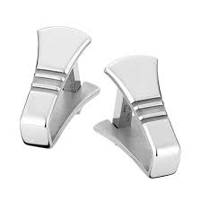 | 116640 | Cuff Links, steel, stirrup | JEWELLERY | MEN'S ACCESSORIES | CUFF LINKS | 172.50 € | 345.00 € | 15
MB116641 |  | 116641 | Money Clip, steel, stirrup | JEWELLERY | MEN'S ACCESSORIES | SMALL ACCESSORIES | 157.50 € | 315.00 € | 152
MB116652 | 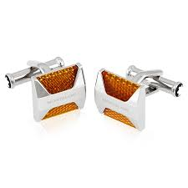 | 116652 | Cuff Links, square, steel, reflector | JEWELLERY | MEN'S ACCESSORIES | CUFF LINKS | 187.50 € | 375.00 € | 56
MB116654 |  | 116654 | Cuff Links, round, steel, granulated | JEWELLERY | MEN'S ACCESSORIES | CUFF LINKS | 187.50 € | 375.00 € | 813
MB116659 | 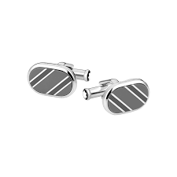 | 116659 | Cuff Links, rectangular, steel, stripes | JEWELLERY | MEN'S ACCESSORIES | CUFF LINKS | 157.50 € | 315.00 € | 32
MB11855763 | 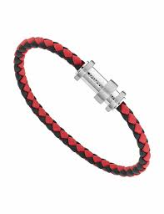 | 11855763 | Bracelet, leather black-red steel, 63 | JEWELLERY | MEN'S ACCESSORIES | BRACELETS | 162.50 € | 325.00 € | 184
MB11855768 | 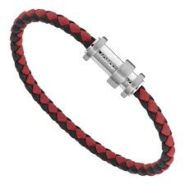 | 11855768 | Bracelet, leather black-red steel, 68 | JEWELLERY | MEN'S ACCESSORIES | BRACELETS | 162.50 € | 325.00 € | 49
MB118595 | 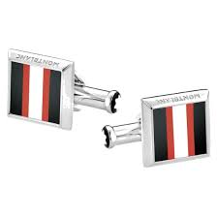 | 118595 | Cuff Links, square, steel, striped inlay | JEWELLERY | MEN'S ACCESSORIES | CUFF LINKS | 172.50 € | 345.00 € | 34
MB118603 |  | 118603 | Cuff Links, rd, steel RG PVD brown MST | JEWELLERY | MEN'S ACCESSORIES | CUFF LINKS | 202.50 € | 405.00 € | 760
MB11878063 | 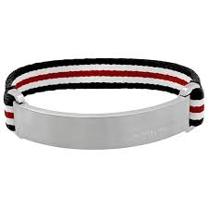 | 11878063 | Bracelet, steel closing & nylon strap 63 | JEWELLERY | MEN'S ACCESSORIES | BRACELETS | 172.50 € | 345.00 € | 960
MB11878068 | 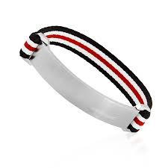 | 11878068 | Bracelet, steel closing & nylon strap 68 | JEWELLERY | MEN'S ACCESSORIES | BRACELETS | 172.50 € | 345.00 € | 198
MB11878163 | 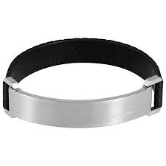 | 11878163 | Bracelet, perfor leather, steel ID p, 63 | JEWELLERY | MEN'S ACCESSORIES | BRACELETS | 172.50 € | 345.00 € | 439
MB11878168 | 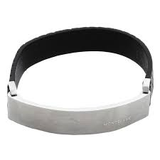 | 11878168 | Bracelet, perfor leather, steel ID, 68 | JEWELLERY | MEN'S ACCESSORIES | BRACELETS | 172.50 € | 345.00 € | 180
MB11881360 | 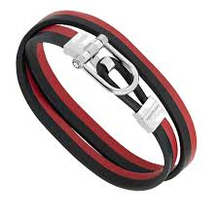 | 11881360 | Bracelet, two-tone leather, steel, 60 | JEWELLERY | MEN'S ACCESSORIES | BRACELETS | 202.50 € | 405.00 € | 42
MB11881363 | 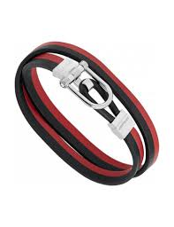 | 11881363 | Bracelet, two-tone leather, steel, 63 | JEWELLERY | MEN'S ACCESSORIES | BRACELETS | 202.50 € | 405.00 € | 205
MB11881368 | 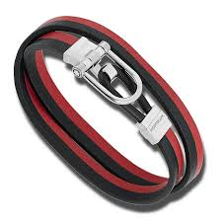 | 11881368 | Bracelet, two-tone leather, steel, 68 | JEWELLERY | MEN'S ACCESSORIES | BRACELETS | 202.50 € | 405.00 € | 39
MB12378763 | 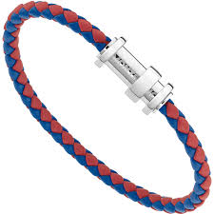 | 12378763 | Bracelet Ocean Spirit red blue steel, 63 | JEWELLERY | MEN'S ACCESSORIES | BRACELETS | 172.50 € | 345.00 € | 94
MB12379063 | 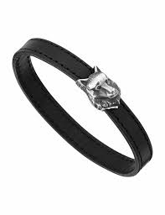 | 12379063 | Bracelet Kipling, silver, leather, 63 | JEWELLERY | MEN'S ACCESSORIES | BRACELETS | 230.00 € | 460.00 € | 53
MB12382960 | 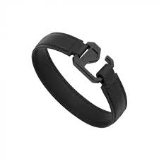 | 12382960 | Bracelet Extreme Neo black LEA steel, 60 | JEWELLERY | MEN'S ACCESSORIES | BRACELETS | 172.50 € | 345.00 € | 117
MB12382963 | 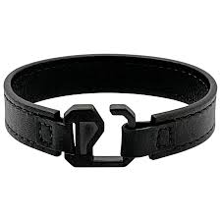 | 12382963 | Bracelet Extreme Neo black LEA steel, 63 | JEWELLERY | MEN'S ACCESSORIES | BRACELETS | 172.50 € | 345.00 € | 146
MB12382968 | 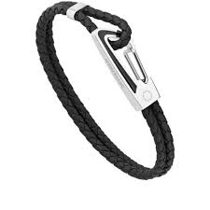 | 12382968 | Bracelet Extreme Neo black LEA steel, 68 | JEWELLERY | MEN'S ACCESSORIES | BRACELETS | 172.50 € | 345.00 € | 58
MB12707763 | 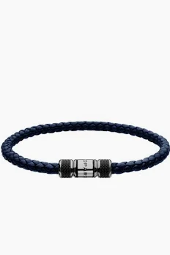 | 12707763 | Laureus Bracelet Leather Steel, 63 | JEWELLERY | MEN'S ACCESSORIES | BRACELETS | 172.50 € | 345.00 € | 132
MB38442 |  | 38442 | Key ring SIL belt chain | JEWELLERY | MEN'S ACCESSORIES | SMALL ACCESSORIES | 157.50 € | 315.00 € | 117
MB12616368 |  | 12616368 | Bracelet_Duo_Beads_Silver, 68 | JEWELLERY | MEN'S ACCESSORIES | BRACELETS | 225.00 € | 450.00 € | 161
MB133132 | 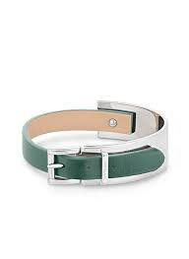 | 133132 | Bracelet Wrap Me Pewter, Adjustable size | JEWELLERY | MEN'S ACCESSORIES | BRACELETS | 145.00 € | 290.00 € | 17
MB12382860 | 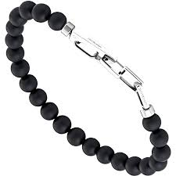 | 382860 | BR Wrap me onyx beads small carabin, 60 | JEWELLERY | MEN'S ACCESSORIES | BRACELETS | 172.50 € | 345.00 € | 46
MB12834863 | 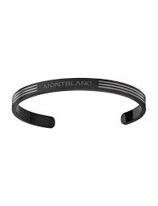 | 12616368 | Bangle SAW Mars, 63 | JEWELLERY | MEN'S ACCESSORIES | BRACELETS | 200.00 € | 400.00 € | 161
MB12834863 |  | 12616369 | Bangle SAW Mars, 63 | JEWELLERY | MEN'S ACCESSORIES | BRACELETS | 200.00 € | 400.00 € | 161
MB12834863 | 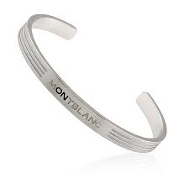 | 12616370 | Bangle SAW Mars, 63 | JEWELLERY | MEN'S ACCESSORIES | BRACELETS | 200.00 € | 400.00 € | 161
MB12834863 |  | 12616371 | Bangle SAW Mars, 63 | JEWELLERY | MEN'S ACCESSORIES | BRACELETS | 200.00 € | 400.00 € | 161
MB12834868 |  | 12616372 | Bangle SAW Mars, 68 | JEWELLERY | MEN'S ACCESSORIES | BRACELETS | 200.00 € | 400.00 € | 11
MB12835068 |  | 12616373 | Bracelet Pirelli Blue, 68 | JEWELLERY | MEN'S ACCESSORIES | BRACELETS | 187.50 € | 375.00 € | 78
MB12835068 | 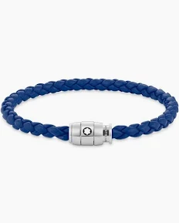 | 12616374 | Bracelet Pirelli Blue, 68 | JEWELLERY | MEN'S ACCESSORIES | BRACELETS | 187.50 € | 375.00 € | 78
MB128657 | 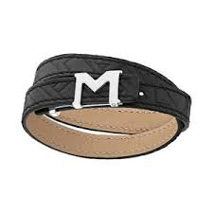 | 128657 | Bracelet M-Gram Black embossed | JEWELLERY | MEN'S ACCESSORIES | BRACELETS | 142.50 € | 285.00 € | 17
MB128658 | 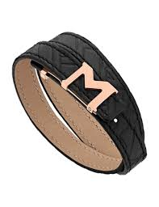 | 128658 | Brac M-Gram Embossed Rose Gold Coated | JEWELLERY | MEN'S ACCESSORIES | BRACELETS | 142.50 € | 285.00 € | 150
MB128659 | 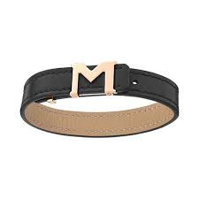 | 128659 | Bracelet M-Gram Rose Gold Coated | JEWELLERY | MEN'S ACCESSORIES | BRACELETS | 142.50 € | 285.00 € | 9
MB129500 | 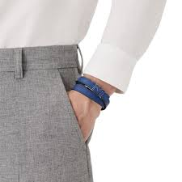 | 129500 | Bracelet M-gram leather insert blue | JEWELLERY | MEN'S ACCESSORIES | BRACELETS | 142.50 € | 285.00 € | 16
MB129505 | 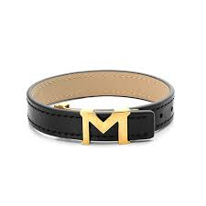 | 129505 | Bracelet M-gram vintage gold | JEWELLERY | MEN'S ACCESSORIES | BRACELETS | 142.50 € | 285.00 € | 6
MB129501 | 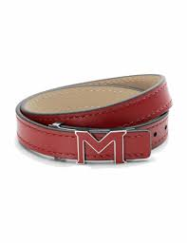 | 129501 | Bracelet M-gram leather insert red | JEWELLERY | MEN'S ACCESSORIES | BRACELETS | 142.50 € | 285.00 € | 13
MB129503 | 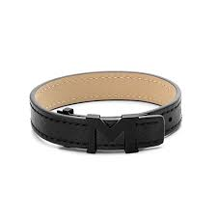 | 129503 | Bracelet M-gram black rubberized | JEWELLERY | MEN'S ACCESSORIES | BRACELETS | 142.50 € | 285.00 € | 25
MB129502 | 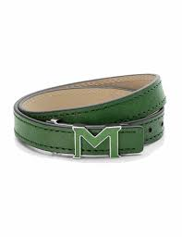 | 129502 | Bracelet M-gram leather insert green | JEWELLERY | MEN'S ACCESSORIES | BRACELETS | 142.50 € | 285.00 € | 16
MB128652 | 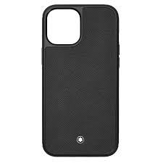 | 128652 | MB Sartorial HardPhCase IAp12ProM Bk | LEATHER | SMALL LEATHER GOODS | TECHNICAL DEVICES | 72.50 € | 145.00 € | 289
MB128650 | 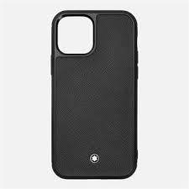 | 128650 | MB Sartorial HardPhCase IAp12&12Pro Bk | LEATHER | SMALL LEATHER GOODS | TECHNICAL DEVICES | 72.50 € | 145.00 € | 138
MB127382 | 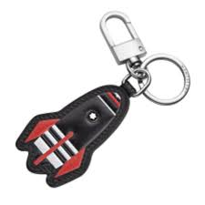 | 127382 | MST Soft Grain Key Fob Red Rocket | LEATHER | SMALL LEATHER GOODS | MEISTERSTÜCK SOFT GRAIN SLG | 102.50 € | 205.00 € | 148
MB127381 | 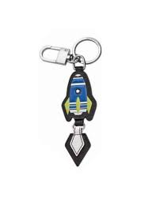 | 127381 | MST Soft Grain Key Fob Blue Rocket | LEATHER | SMALL LEATHER GOODS | MEISTERSTÜCK SOFT GRAIN SLG | 102.50 € | 205.00 € | 573
MB127380 |  | 127380 | MST Soft Grain Key Fob Red Ufo | LEATHER | SMALL LEATHER GOODS | MEISTERSTÜCK SOFT GRAIN SLG | 102.50 € | 205.00 € | 234
MB127379 |  | 127379 | MST Soft Grain Key Fob Blue Ufo | LEATHER | SMALL LEATHER GOODS | MEISTERSTÜCK SOFT GRAIN SLG | 102.50 € | 205.00 € | 611
MB127378 |  | 127378 | MST Soft Grain Key Fob Astronaut | LEATHER | SMALL LEATHER GOODS | MEISTERSTÜCK SOFT GRAIN SLG | 102.50 € | 205.00 € | 448
MB124587 | 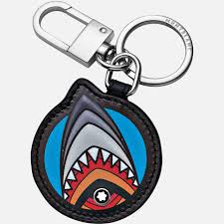 | 124587 | MST Soft Grain Shark Key Fob | LEATHER | SMALL LEATHER GOODS | MEISTERSTÜCK SOFT GRAIN SLG | 102.50 € | 205.00 € | 180
MB124586 | 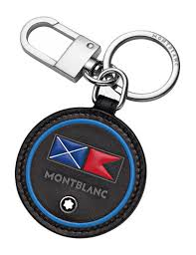 | 124586 | MST Soft Grain Flag Key Fob | LEATHER | SMALL LEATHER GOODS | MEISTERSTÜCK SOFT GRAIN SLG | 102.50 € | 205.00 € | 105
MB124585 | 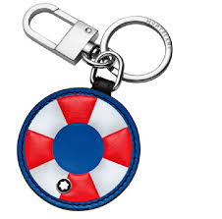 | 124585 | MST Soft Grain Life Ring Key Fob | LEATHER | SMALL LEATHER GOODS | MEISTERSTÜCK SOFT GRAIN SLG | 102.50 € | 205.00 € | 816
MB123740 |  | 123740 | MST Soft Grain Key Fob Loop Label Bk | LEATHER | SMALL LEATHER GOODS | MEISTERSTÜCK SOFT GRAIN SLG | 92.50 € | 185.00 € | 106
MB123739 |  | 123739 | MST Soft Grain Key Fob Loop Tape Bk | LEATHER | SMALL LEATHER GOODS | MEISTERSTÜCK SOFT GRAIN SLG | 92.50 € | 185.00 € | 230
MB118747 |  | 118747 | MST Soft Grain Key fob Deer | LEATHER | SMALL LEATHER GOODS | MEISTERSTÜCK SOFT GRAIN SLG | 112.50 € | 225.00 € | 40
MB118743 |  | 118743 | MST Soft Grain Key Fob Linx | LEATHER | SMALL LEATHER GOODS | MEISTERSTÜCK SOFT GRAIN SLG | 112.50 € | 225.00 € | 58
MB124473 |  | 124473 | MB Sart 1 PenP ZipAr Heritage Marble Blk | LEATHER | PEN POUCHES | SARTORIAL SLG | 132.50 € | 265.00 € | 668
MB128737 |  | 128737 | MB Blue Spirit Case Medium Bk/Bl | LEATHER | BAGS | OTHERS BAGS | 202.50 € | 405.00 € | 195
MB128736 |  | 128736 | MB Blue Spirit Pouch Small Bk/Bl | LEATHER | BAGS | OTHERS BAGS | 162.50 € | 325.00 € | 28
MB128611 |  | 128611 | MB Extreme 2.0 Clutch S Wr wPrint Bl/Bk | LEATHER | BAGS | OTHERS BAGS | 255.00 € | 510.00 € | 36
MB198845 |  | 198845 | Extreme 3.0 Card Holder 6cc LvGr | LEATHER | SMALL LEATHER GOODS | EXTREME 3.0 SLG | 110.00 € | 220.00 € | 12
MB198842 |  | 198842 | Extreme 3.0 WalletCompa6cc LvGr | LEATHER | SMALL LEATHER GOODS | EXTREME 3.0 SLG | 170.00 € | 340.00 € | 13
MB198841 |  | 198841 | Extreme 3.0 CardHold8cc Zip Lv | LEATHER | SMALL LEATHER GOODS | EXTREME 3.0 SLG | 150.00 € | 300.00 € | 11
MB198810 |  | 198810 | Meisterstück Card Holder 6cc Rs | LEATHER | SMALL LEATHER GOODS | MEISTERSTÜCK SLG | 110.00 € | 220.00 € | 10
MB198249 |  | 198249 | MB Sartorial Phone Pouch Mstc | LEATHER | SMALL LEATHER GOODS | SARTORIAL SLG | 225.00 € | 450.00 € | 126
MB131734 |  | 131734 | MB Sartorial Phone Pouch InBl | LEATHER | SMALL LEATHER GOODS | SARTORIAL SLG | 220.00 € | 440.00 € | 47
MB131106 |  | 131106 | MST Key Fob Spinning Emblem Bk/Gr | LEATHER | SMALL LEATHER GOODS | MEISTERSTÜCK SLG | 130.00 € | 260.00 € | 690
MB130749 |  | 130749 | MB Sartorial Phone Pouch Bk | LEATHER | SMALL LEATHER GOODS | SARTORIAL SLG | 220.00 € | 440.00 € | 36
MB130072 |  | 130072 | Meisterstück Key Fob Black New | LEATHER | SMALL LEATHER GOODS | MEISTERSTÜCK SLG | 100.00 € | 200.00 € | 3406
MB130070 |  | 130070 | Meisterstück Pocket4cc ID Card Black New | LEATHER | SMALL LEATHER GOODS | MEISTERSTÜCK SLG | 130.00 € | 260.00 € | 1493
MB198883 |  | 198883 | Sartorial 1-Pen Pouch zip CBl | LEATHER | PEN POUCHES | SARTORIAL SLG | 150.00 € | 300.00 € | 627
MB14311 |  | 14311 | MST 2 Pen Pouch Clasp Black | LEATHER | PEN POUCHES | MEISTERSTÜCK SLG | 120.00 € | 240.00 € | 1610
MB14309 |  | 14309 | MST 1 Pen Pouch Clasp Black | LEATHER | PEN POUCHES | MEISTERSTÜCK SLG | 110.00 € | 220.00 € | 1084
MB198683 |  | 198683 | Belt - M buckle black PVD 35mm | LEATHER | LT BELTS | OVER 35MM WIDTH | 100.00 € | 200.00 € | 48
MB198021 |  | 198021 | Soft Mini Bag Cr | LEATHER | BAGS | SOFT BAGS | 550.00 € | 1,100.00 € | 16
MB131797 |  | 131797 | MST Selection Soft Montblanc 142 bag Bk | LEATHER | BAGS | SOFT BAGS | 600.00 € | 1,200.00 € | 166
MB131717 |  | 131717 | MB Sartorial Montblanc 146 bag Bk | LEATHER | BAGS | SARTORIAL BAGS | 550.00 € | 1,100.00 € | 32
MB130921 |  | 130921 | Meisterstück 4810 Envelope Pouch Bk | LEATHER | BAGS | 4810 BAGS | 350.00 € | 700.00 € | 317
MB130314 |  | 130314 | MB Sartorial Envelope Pouch PPocket Bk | LEATHER | BAGS | SARTORIAL BAGS | 375.00 € | 750.00 € | 25
MB131265 |  | 131265 | MST Selection Soft DoublePhonePouch DsGr | LEATHER | SMALL LEATHER GOODS | SOFT SLG | 250.00 € | 500.00 € | 48
MB131264 |  | 131264 | MST Selection Soft DoublePhonePouch Bk | LEATHER | SMALL LEATHER GOODS | SOFT SLG | 250.00 € | 500.00 € | 91
MB131261 |  | 131261 | MST Selection Soft Round Case Ot | LEATHER | SMALL LEATHER GOODS | SOFT SLG | 200.00 € | 400.00 € | 75
MB131259 |  | 131259 | MST Selection Soft Round Case DsGr | LEATHER | SMALL LEATHER GOODS | SOFT SLG | 200.00 € | 400.00 € | 42
MB131258 |  | 131258 | MST Selection Soft Card Holder 4cc Ot | LEATHER | SMALL LEATHER GOODS | SOFT SLG | 170.00 € | 340.00 € | 86
MB131256 |  | 131256 | MST Selection Soft Card Holder 4cc SpOr | LEATHER | SMALL LEATHER GOODS | SOFT SLG | 170.00 € | 340.00 € | 11
MB131107 |  | 131107 | MST Key Fob Spinning Emblem Bk/Rd | LEATHER | SMALL LEATHER GOODS | MEISTERSTÜCK SLG | 130.00 € | 260.00 € | 35
MB131105 |  | 131105 | MST Key Fob Spinning Emblem Pl/Or | LEATHER | SMALL LEATHER GOODS | MEISTERSTÜCK SLG | 130.00 € | 260.00 € | 49
MB131104 |  | 131104 | MST Key Fob Spinning Emblem Pl/Grn | LEATHER | SMALL LEATHER GOODS | MEISTERSTÜCK SLG | 130.00 € | 260.00 € | 614
MB129979 |  | 129979 | Montblanc Extreme 3.0 Card Holder 6cc Bk | LEATHER | SMALL LEATHER GOODS | EXTREME 3.0 SLG | 97.50 € | 195.00 € | 1624
MB129907 |  | 129907 | Meisterstück Card Holder Zipped Bk | LEATHER | SMALL LEATHER GOODS | MEISTERSTÜCK SLG | 160.00 € | 320.00 € | 228
MB129700 |  | 129700 | Meisterstück Selection Soft KeyPou2cc Bk | LEATHER | SMALL LEATHER GOODS | SOFT SLG | 170.00 € | 340.00 € | 411
MB128746 |  | 128746 | MST Key Fob Spinning Emblem Pl/Rd | LEATHER | SMALL LEATHER GOODS | MEISTERSTÜCK SLG | 130.00 € | 260.00 € | 62
MB128743 |  | 128743 | MST Key Fob Spinning Emblem Pl/Bl | LEATHER | SMALL LEATHER GOODS | MEISTERSTÜCK SLG | 130.00 € | 260.00 € | 384
MB112443 |  | 112443 | BOH 2 Pen Pouch with Zip Violet XC | LEATHER | SMALL LEATHER GOODS | OTHERS SLG | 132.50 € | 265.00 € | 6
MB131270 |  | 131270 | MST Selection Soft 1-Pen Pouch Ot | LEATHER | PEN POUCHES | SOFT SLG | 100.00 € | 200.00 € | 13
MB131241 |  | 131241 | MST Selection Soft Pochette LgBc | LEATHER | BAGS | SOFT BAGS | 400.00 € | 800.00 € | 10
MB131193 |  | 131193 | RectFrShRut&PallRevDkBlPl&GrSafLea35mm | LEATHER | LT BELTS | OVER 35MM WIDTH | 225.00 € | 450.00 € | 135
MB130311 |  | 130311 | MB Sartorial Envelope FrIr | LEATHER | BAGS | SARTORIAL BAGS | 375.00 € | 750.00 € | 50
MB130834 |  | 130834 | MB Sartorial Phone Pouch Iv | LEATHER | SMALL LEATHER GOODS | SARTORIAL SLG | 220.00 € | 440.00 € | 33
MB130819 |  | 130819 | MB Sartorial Phone Pouch Bl | LEATHER | SMALL LEATHER GOODS | SARTORIAL SLG | 220.00 € | 440.00 € | 11
MB130584 |  | 130584 | Montblanc Extreme 3.0 Phone Sleeve Bk | LEATHER | SMALL LEATHER GOODS | TECHNICAL DEVICES | 202.50 € | 405.00 € | 63
MB130453 |  | 130453 | Meisterstück Card Holder Zipped Blue | LEATHER | SMALL LEATHER GOODS | MEISTERSTÜCK SLG | 142.50 € | 285.00 € | 102
MB130260 |  | 130260 | Montblanc Extreme 3.0 Phone Case FrIr | LEATHER | SMALL LEATHER GOODS | TECHNICAL DEVICES | 202.50 € | 405.00 € | 16
MB130040 |  | 130040 | Meisterstück Phone Sleeve Scenic Wh/LBl | LEATHER | SMALL LEATHER GOODS | MEISTERSTÜCK SLG | 330.00 € | 660.00 € | 26
MB129910 |  | 129910 | Meisterstück Card Holder 6cc Blue | LEATHER | SMALL LEATHER GOODS | MEISTERSTÜCK SLG | 142.50 € | 285.00 € | 84
MB129908 |  | 129908 | Meisterstück Card Holder Zipped Red | LEATHER | SMALL LEATHER GOODS | MEISTERSTÜCK SLG | 142.50 € | 285.00 € | 14
MB129867 |  | 129867 | MST Selection Silicone PhCs IAp13PrM Bk | LEATHER | SMALL LEATHER GOODS | TECHNICAL DEVICES | 62.50 € | 125.00 € | 1030
MB129861 |  | 129861 | MB Sartorial HardPhCase IAp13PrM Bk | LEATHER | SMALL LEATHER GOODS | TECHNICAL DEVICES | 72.50 € | 145.00 € | 1434
MB129857 |  | 129857 | MST Selection Sili PhCs MagS IAp13Pro Bk | LEATHER | SMALL LEATHER GOODS | TECHNICAL DEVICES | 62.50 € | 125.00 € | 12
...

